sheet1
Online Induction Sys Testing
Agenda | Action | Remarks | Action Performed By | Reply | Reply by Mariam
Contact Number | No specified format. Invalid enteries | 03XX-XXXXXXX | Defining Tech | Fixed | Not working. Still saving other format
Duplicate entries | there are number of duplicate entries that have roll number assigned by system | 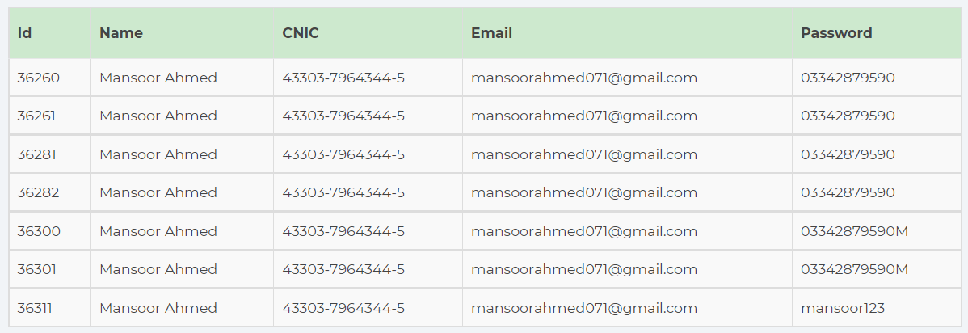 | Defining Tech | Fixed | done
Forgot password | Candidates forgot about their email address, so there should be last 2-3 digits displayed so that particular person could recall their email. Option of CNIC and email address should be given. If email address is wrong then display the message of incorrect email along with last 3 digits of email e.g xxxxxxxxxxxxsr3@gmail.com |  | Defining Tech | Fixed | done
No picture on roll number slip | allow png,jpg and tif picture for uploading so that picture would display on roll no slip |  | Defining Tech | Fixed | After assigning the center to candidate, it is prompting the error. Could not able to check the Roll no slip issue
Roll number slip Exam center name issue | If center name increases then it will overlap the name, kindly increase its pan size |  | Defining Tech | Fixed
Roll number slip instructions | Kindly add point 5 and 6 inside the of above instructions box |  | Defining Tech | Fixed
Search option should be provided and submitted atleast 10 records at a time | As per discussion, region wise list display in dropdown box |  | Defining Tech | Under Development
Overwrite of excel sheet should be eliminated |  |  | Defining Tech | Fixed | done
Edit Users | Giving an error |  | Defining Tech | - | Not working

